시트1
Project Name: | NextLevel Research Conference Management System
Test CaseID | T3.6
Test Case Description | Reviewer submit review and score to each paper
Created by: | Yechan Kim
Date of testing: | 27th October 2022
Actor: | Reviewer
Pre-condition: | Author submitted a paper or more.
 | Reviewer has bidded on at least a paper.
 | Reviewer clicks Bid Paper page.
 | Conference Chair has allocated paper to the reviewer.
 | Reviewer view assigned papers.

Test Step | Step Details | Test Data | Expected Results | Actual Results | Pass/Fail/Not executed/Suspended | Screenshots, if possible | Remarks
T3.6 - 1 | Reviewer clicks "Review" button on respective paper under papers to be reviewed. |  | System will direct user to paper review page that displays the paper details and blank fields for review. The user will be able to see the paper details together with a submit review form. | System directs user to paper review page that displays the paper details and blank fields for review. | 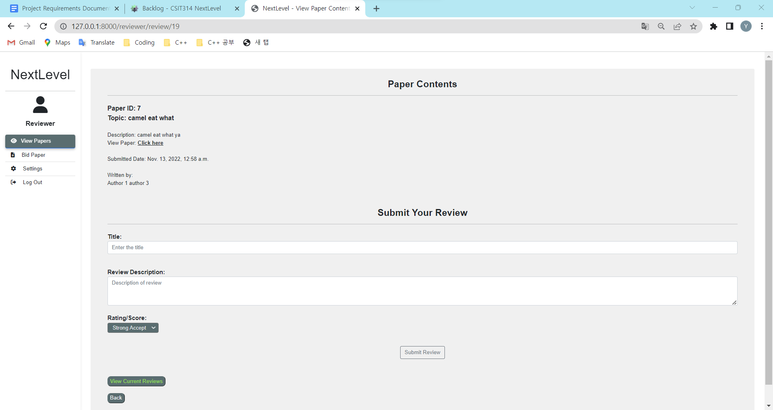 Pass
T3.6 - 2 | Reviewer types in title, review description and select rating/score. | review(rating, title, description), paper(id, topic, description, submitted_date), paper_authors(paper_id, author_id) | The typed and selected details should appear in the text box. The user should be able to see their keyed-in details. | The typed and selected details appears in the text box. | Pass | 
T3.6 - 3 | Reviewer clicks "Submit" button. |  | System will upload the review and display the reviewer's review on the current paper. The user should be redirected to the same page and the submit review form is replaced with the submitted review details. | System uploads the review and display the reviewer's review on the current paper. | Pass | 